SCH IR 5.22.22 Patron Damage

 |  |  | Incident Report Checklist

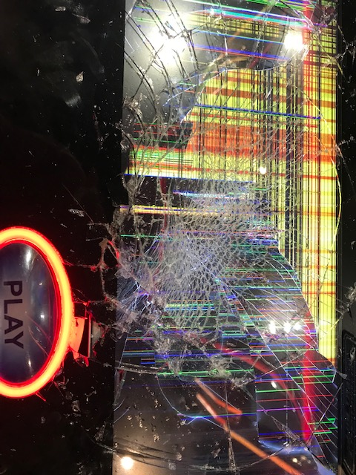
 |  |  | Facility Name: | Saratoga
 |  |  | Technician: | Ted Been
 |  |  | Manager/Supervisor: | Peter Russo
 |  |  | Date of Incident: | 2022-05-22
 |  |  | Start Time: | 0:00:00
 |  |  | End Date and Time: | 5/22/22

Type of Problem |  |  | House Related Issues

Description of Problem |  |  | Patron Damage

Device(s) Involved |  |  | C02-03 / 302030203

Brief Description of Incident
Sometime around 12 am a patron damaged the iDeck on device 302030203, location C02-03. (Photos Attached) The floor attendant called L&W Tech Ed Clement and he took photos and as soon as SCH Security and Saratoga Police finished their documentation he started repairing the damage. SCH Security and Saratoga PD successfully determined the identity of the patron who caused the damage and were able to recover restitution. An invoice for $524.38 needs to be provided to the facility.

Additional Technician Comments
The replacement of the iDeck was completed the following morning by Tech Ted Been and the device was in service 5/22/22 at 10:30. total time down was Approximately 6:30:00. An invoice 52422PD (Attached) was provided to SCH on 5/24/2022.

Additional Management Comments

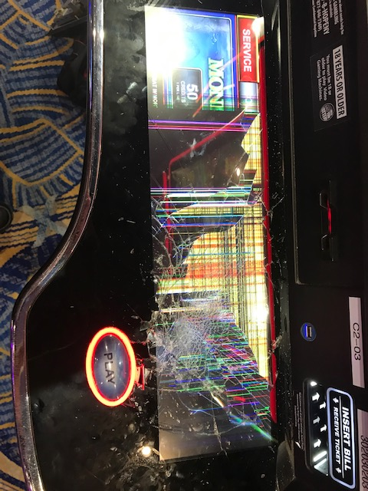
Notification
Key Consideration | Question |  | Explanation/Comments/Notes
Type of Incident | What type of Incident has occurred? |  | Patron Damage
Cause | What caused the incident? |  | Patron forcefully striking the iDeck.
Effect | What effect did the incident have? |  | Not playable
Lead | Did you notify Lead Technician on duty? Please list the Lead, and time notified. |  | Ted Been 5/22/22, 00:07
Supervisor | If no Lead Tech is on duty, please contact a Supervisor. List date and time. |  | N/A

Key Consideration | Question |  | Explanation/Comments/Notes
Machine Freeze | Did the issue require a reboot or a RAM clear to resolve? |  | RAM Clear to clear credits.
Communications Error | Did the devices fail to connect to the server? |  | No
Tilts and/or Errors | Please list any errors or tilts that may have occurred during this incident. |  | N/A
Engineering Documentation
Key Consideration | Question |  | Explanation/Comments/Notes
Connectivity | Did devices loose connection during play? Was it banks at a time or sporadic behavior? |  | No
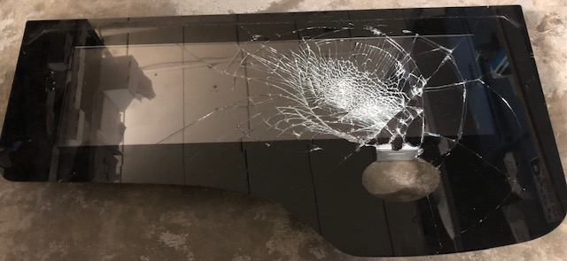
Cash-Out | Were there cash out problems? If so, please explain how the cash out process occurred during this incident. |  | Yes / Hand paid
Reboot Process | How was the reboot made? Did you reconnect first, or did you do a hard reboot? |  | N/A
Ram Clear Process | Did you do an NVRAM clear, or full RAM clear? |  | RAM Clear to clear credits.
Documentation
Key Consideration | Question |  | Explanation/Comments/Notes
EVERI Session History | Is a Session History attached for the incident? |  | N/A
EVERI Error Log | Was an Error Log supplied from EVERI? If so, please attach. |  | N/A
Machine Event History | Did you print the Error History from the device before RAM clearing? If so, please attach. |  | N/A
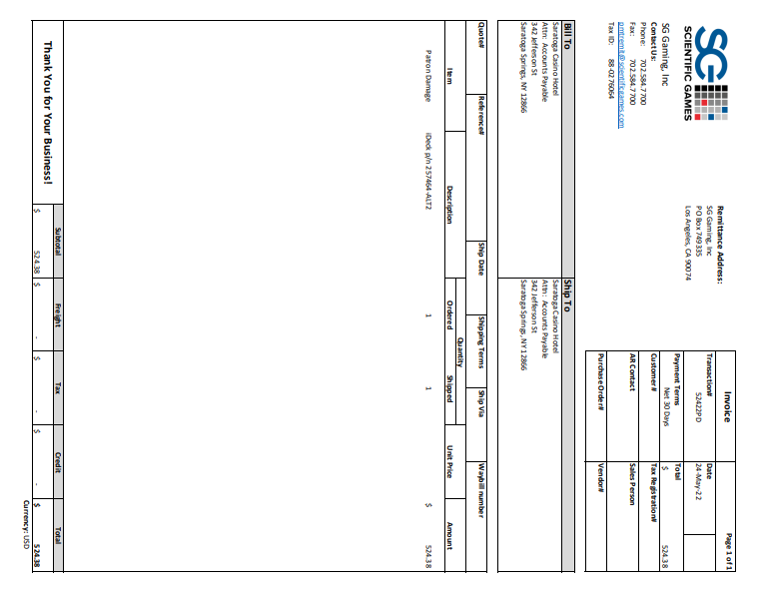
Digital Pictures | Did you take digital pictures of the back screen, Event History, Play History, etc.? If so, please attach. |  | N/A
Surveillance Tape | Is there any Surveillance Tape available that shows what occurred? (You must request this through NYGC.) |  | Yes / SCH Security reviewed. Not requested by L&W
Revenue or Parts Loss
Key Consideration | Question |  | Explanation/Comments/Notes
Revenue Loss | Was there Revenue Loss? Estimate loss. |  | Yes
Parts Loss | Was there damage, causing part replacement? Provide an estimated cost of parts used. |  | Yes / $524.38 Labor included

Location | Serial # | Device Name | Part Number | Description of Parts Used
C02-03 | B190582807 | 302030203 | 257464 ALT2 | ASY-IDECK SG-1

